III-A
File: | tutorial_compensator_designs.xlsx
Revision: | 1.0
Date: | 2015-10-08

This design and the images were taken from the application note available here:
http://www.irf.com/technical-info/appnotes/an-1162.pdf

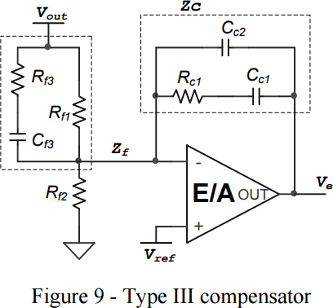
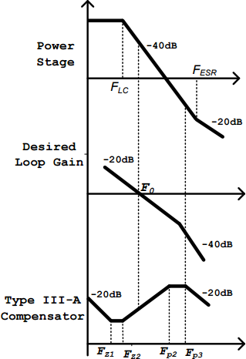

 |  | VIN | 12 |  | .VAR VIN = 12
 |  | VRAMP | 0.8 |  | .VAR VRAMP = 0.8
 |  | L | 6.80E-07 |  | .VAR L = 0.00000068
 |  | C | 2.20E-04 |  | .VAR C = 0.00022
 |  | VOUT | 1.2 |  | .VAR VOUT = 1.2
 |  | VREF | 0.6 |  | .VAR VREF = 0.6
 |  | ESR | 4.00E-03 |  | .VAR ESR = 0.004
 |  | FXOVER | 8.00E+04 |  | .VAR FXOVER = 80000
 |  | FSW | 6.00E+05 |  | .VAR FSW = 600000

 |  | FLC | 1.30E+04 |  | .VAR FLC = 13012.3080131893
 |  | FESR | 1.81E+05 |  | .VAR FESR = 180857.889877154

 | FZ2 | FZ2 | 1.30E+04 |  | .VAR FZ2 = 13012.3080131893 | {'*'} FZ2 : {FZ2}
 | FZ1 | FZ1 | 9.76E+03 |  | .VAR FZ1 = 9759.23100989196 | {'*'} FZ1 : {FZ1}
 | FP2 | FP2 | 1.81E+05 |  | .VAR FP2 = 180857.889877154 | {'*'} FP2 : {FP2}
 | FP3 | FP3 | 3.00E+05 |  | .VAR FP3 = 300000 | {'*'} FP3 : {FP3}

 | C4 | CF3 | 2.20E-09 | Choose | .VAR C4 = 0.0000000022 | {'*'} C4 : {C4}
 | R4 | RF3 | 4.00E+02 |  | .VAR R4 = 400 | {'*'} R4 : {R4}
 | R3 | RF1 | 5.16E+03 |  | .VAR R3 = 5159.59449142569 | {'*'} R3 : {R3}
 | R6 | RF2 | 5.16E+03 |  | .VAR R6 = 5159.59449142569 | {'*'} R6 : {R6}
 | R5 | RC1 | 2.28E+03 |  | .VAR R5 = 2278.7018714038 | {'*'} R5 : {R5}
 | C2 | CC1 | 7.16E-09 |  | .VAR C2 = 7.1567694072541E-09 | {'*'} C2 : {C2}
 | C3 | CC2 | 2.33E-10 |  | .VAR C3 = 2.32815219766401E-10 | {'*'} C3 : {C3}

